Copyright & Disclaimer
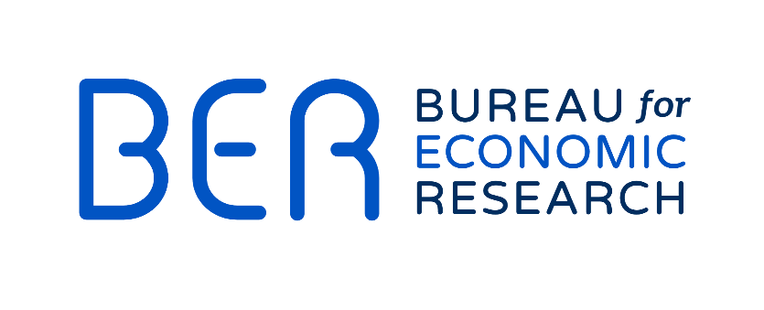

Copyright
Copyright for this data is held by Stellenbosch University. Users may apply the data as they wish, provided that they acknowledge the BER, a division of Stellenbosch University, as the source of the basic data and, where applicable, specify that the relevant application and analysis result from their own processing of the data. Users may print or download extracts from this data for their personal use only. None of this data may be used for any commercial or public use, may be reproduced on, stored in or transmitted to any other web site and may be disseminated in any form, either electronic or non-electronic, nor included in any retrieval system or service without prior written permission from the BER.

Disclaimer
Although reasonable professional skill, care and diligence are exercised to record and interpret all data correctly, Stellenbosch University, its division BER and the author(s)/editor do not accept any liability for any direct or indirect loss whatsoever that might result from unintentional inaccurate data and interpretations provided by the BER as well as any interpretations by third parties. Stellenbosch University further accepts no liability for the consequences of any decisions or actions taken by any third party on the basis of the data provided on this website. The views, conclusions or opinions contained in this data are those of the BER and do not necessarily reflect those of Stellenbosch University. Stellenbosch University and its division BER accept no responsibility or liability for the improper operation of this web site (including any associated software).

