Copyright
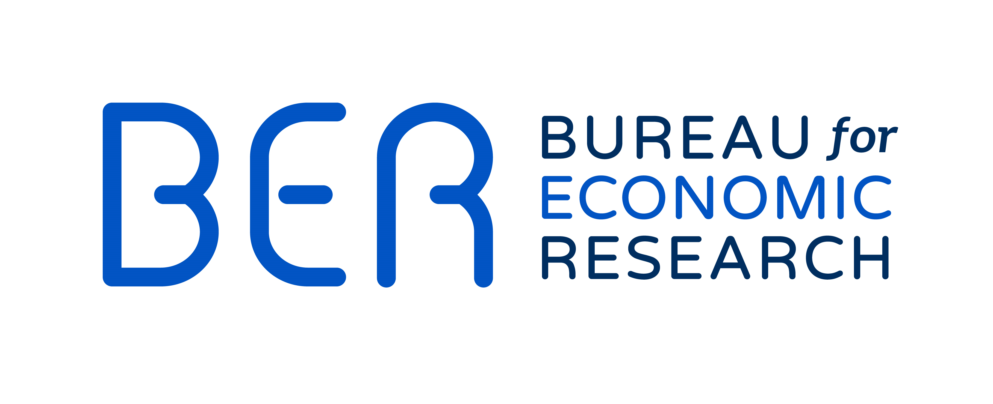

Copyright and Disclaimer
The PMI is an economic activity index based on a survey conducted by the Bureau for Economic Research and sponsored by Absa. Although reasonable professional skill, care and diligence are exercised to record and interpret all information correctly, Stellenbosch University, its division BER, the author(s)/editor and Absa (inclusive of its affiliates and/or subsidiaries) do not accept any liability for any direct or indirect loss whatsoever that might result from unintentional inaccurate data and interpretations provided by the BER, as well as any interpretations by third parties. Stellenbosch University and Absa further accept no liability for the consequences of any decisions or actions taken by any third party on the basis of information provided in this publication. The views, conclusions or opinions contained in this publication are those of the BER and do not necessarily reflect those of Stellenbosch University or Absa. Absa is an authorised financial services provider and registered credit provider reg no NCRCP7.

